Sheet1
ARTICLE | PHOTO | COLOR | STYLE | SKU | RETAIL | WHOLESALE | NEW QTY MK | ORDINE
REED LG BELTED TOTE | 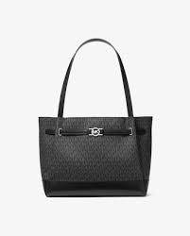 | MK BLACK | 35F4S6RT3B | 785308591 | 395.00 € | 152.00 € | 1795
REED LG BELTED TOTE | 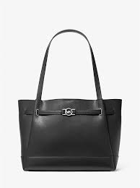 | BLACK | 35F4S6RT3T | 785327863 | 395.00 € | 152.00 € | 1656
REED LG BELTED TOTE | 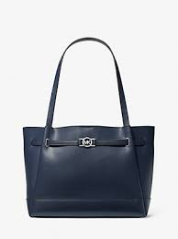 | NAVY | 35F4S6RT3T | 785308593 | 395.00 € | 152.00 € | 2316
REED XS SATCHEL XBODY | 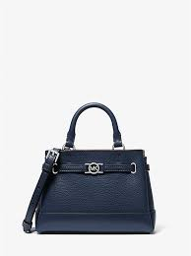 | NAVY | 35F4S6RC0T | 785308567 | 350.00 € | 135.00 € | 1301
REED XS SATCHEL XBODY | 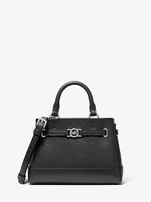 | ADMIRAL | 35F4S6RC0B | 785308566 | 350.00 € | 135.00 € | 1280
JAYCEE LG BACKPACK | 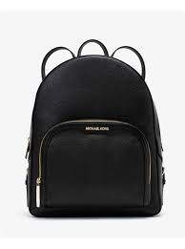 | BLACK | 35S2G8TB7L | 616309656 | 545.00 € | 210.00 € | 1403
JET SET TRAVEL SM TZ SHLDR TOTE | 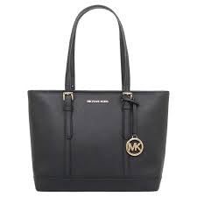 | BLACK | 35S0STVT1L | 359971121 | 375.00 € | 145.00 € | 412
CARMELA SM POUCHETTE | 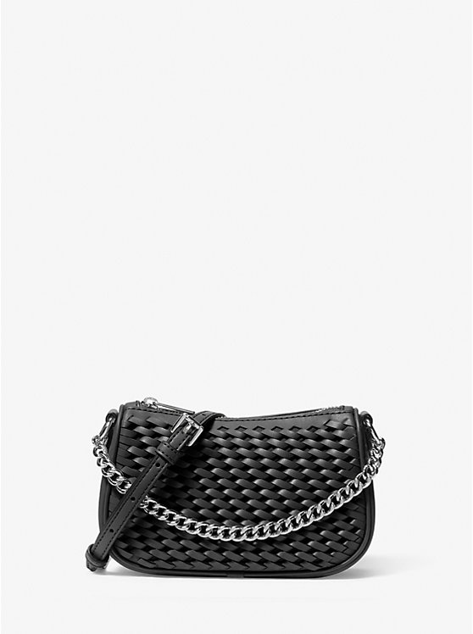 | BLACK | 35T5S1QC1Y | 785371289 | 325.00 € | 125.00 € | 345
CARMELA SM POUCHETTE |  | PEANUT | 35T5S1QC1Y | 785371291 | 325.00 € | 125.00 € | 370
CARMELA SM POUCHETTE |  | LIGHT SKY | 35T5S1QC1Y | 785371292 | 325.00 € | 125.00 € | 255
CARMELA SM POUCHETTE | 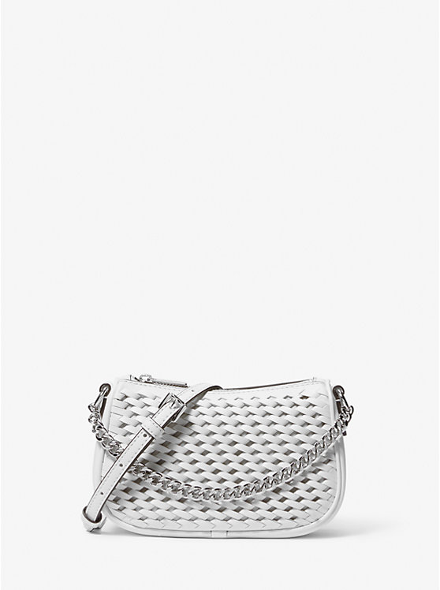 | OPTIC WHITE | 35T5S1QC1Y | 785371290 | 325.00 € | 125.00 € | 423
TRISHA LG TRPL GUSSET SHLDR | 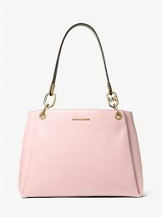 | POWDER BLUSH | 35H1G9TL9L | 490090082 | 495.00 € | 190.00 € | 530
CARMELA SM POUCHETTE |  | PEANUT | 35F4S1QC5V | 785370136 | 325.00 € | 125.00 € | 329
CARMELA SM POUCHETTE |  | LIGHT SKY | 35F4S1QC5V | 785370137 | 325.00 € | 125.00 € | 245
THOMPSON MD DUFFLE SATCHEL |  | PEANUT | 35S5S7OS6L | 785370683 | 495.00 € | 190.00 € | 261
THOMPSON MD DUFFLE SATCHEL | 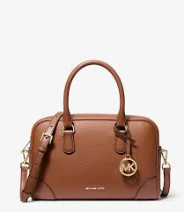 | LUGGAGE | 35S5G7OS6L | 785342915 | 495.00 € | 190.00 € | 474
THOMPSON MD DUFFLE SATCHEL | 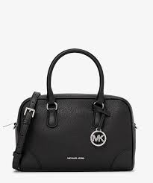 | BLACK | 35S5G7OS6L | 785342912 | 495.00 € | 190.00 € | 757
THOMPSON MD DUFFLE SATCHEL | 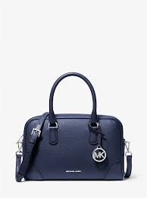 | NAVY | 35S5S7OS6L | 785343407 | 495.00 € | 190.00 € | 559
AVRIL SM TZ SATCHEL | 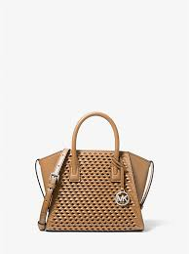 | PEANUT | 35T5S4VS1Y | 785371398 | 450.00 € | 173.00 € | 206
AVRIL SM TZ SATCHEL | 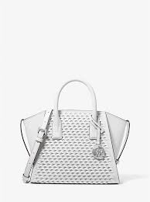 | OPTIC WHITE | 35T5S4VS1Y | 785371397 | 450.00 € | 173.00 € | 286
AVRIL SM TZ SATCHEL | 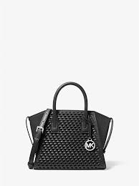 | BLACK | 35T5S4VS1Y | 785371396 | 450.00 € | 173.00 € | 268
JAYCEE MD BACKPACK | 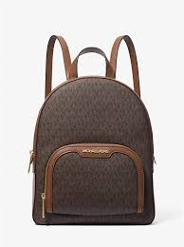 | BROWN | 35S2G8TB2B | 616309595 | 450.00 € | 173.00 € | 20
LYRA POUCHETTE | 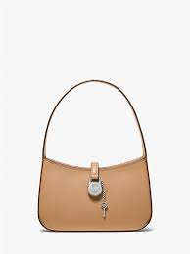 | PEANUT | 35T4S1YC1L | 785370747 | 325.00 € | 125.00 € | 49
AVRIL XS TZ SATCHEL | 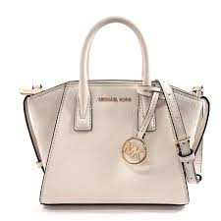 | LT CREAM | 35F4G4VC0L | 785308103 | 350.00 € | 135.00 € | 98
AVRIL SM TZ SATCHEL | 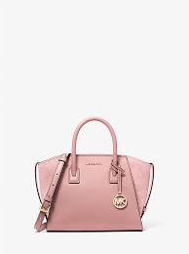 | POWDER BLUSH | 35F4G4VS1L | 785308129 | 425.00 € | 163.00 € | 101
DOME XBODY | 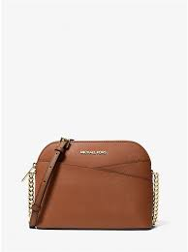 | LUGGAGE | 35F1GTVC6T | 490065663 | 295.00 € | 113.00 € | 70
DOME XBODY | 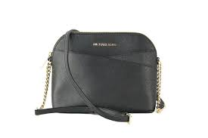 | BLACK | 35F1GTVC6T | 490065660 | 295.00 € | 113.00 € | 90
CARMELA MD POUCHETTE | 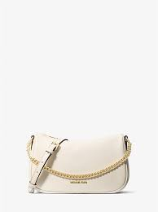 | LT CREAM | 35F4G1QC6L | 785307956 | 350.00 € | 135.00 € | 15
 |  |  |  |  |  |  | 15914

